Composite
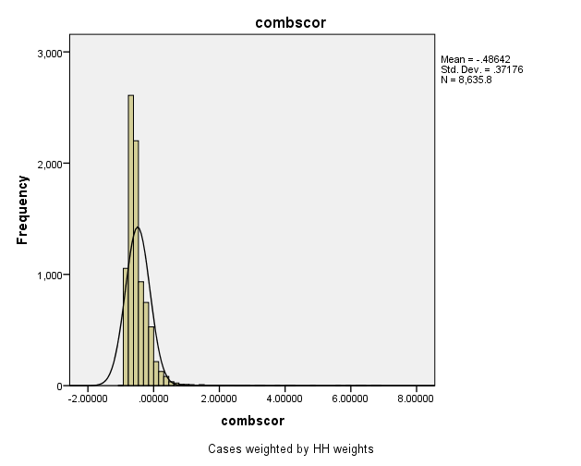
Combined Scores

 | Urban Area

 |  | Coefficientsa
 |  | Model |  | Unstandardized Coefficients |  | Standardized Coefficients | t | Sig.
 |  |  |  | B | Std. Error | Beta
 |  | 1 | (Constant) | 0.840 | 0.002 |  | 398.992 | 0.000
 |  |  | REGR factor score 1 for analysis | 1.127 | 0.002 | 0.992 | 535.403 | 0.000
 |  | a. Dependent Variable: REGR factor score 1 for analysis

 |  |  | Combined Score= .840 + 1.127 * Urban Score

 | Rural

 |  | Coefficientsa
 |  | Model |  | Unstandardized Coefficients |  | Standardized Coefficients | t | Sig.
 |  |  |  | B | Std. Error | Beta
 |  | 1 | (Constant) | -0.476 | 0.002 |  | -281.597 | 0.000
 |  |  | REGR factor score 1 for analysis | 0.430 | 0.002 | 0.943 | 254.230 | 0.000
 |  | a. Dependent Variable: REGR factor score 1 for analysis

 |  |  | Combined Score= -.476 + .430 * Rural Score

 | Combined Score

 |  | Statistics
 |  | combscor
 |  | N | Valid | 74477
 |  |  | Missing | 0
 |  | Mean |  | -0.0074134
 |  | Median |  | -0.41825400
 |  | Mode |  | 2.2216500
 |  | Std. Deviation |  | 0.98672
 |  | Skewness |  | 2.08700000
 |  | Std. Error of Skewness |  | 0.009
 |  | Kurtosis |  | 4.874
 |  | Std. Error of Kurtosis |  | 0.018
 |  | Minimum |  | -1.434
 |  | Maximum |  | 6.82691
 |  | Percentiles | 20 | -0.66839
 |  |  | 40 | -0.5314779
 |  |  | 60 | -0.2137605
 |  |  | 80 | 0.5605642

 | histrogram

